AdaBoost
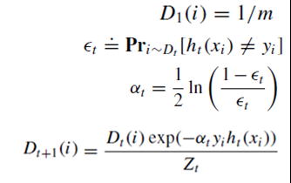
 | 1 | 2 | 3 | 4 | 5 | 6 | 7 | 8 | 9 | 10 |  | Boosting - ADABOOSTING
y | 1 | 1 | 1 | (1) | 1 | (1) | (1) | 1 | (1) | (1)

D1 | 0.1 | 0.1 | 0.1 | 0.1 | 0.1 | 0.1 | 0.1 | 0.1 | 0.1 | 0.1 | T=1 | e= | 0.3
h(t=1) | -1 | -1 | -1 | -1 | 1 | -1 | -1 | 1 | -1 | -1
e(-α*y*h(xi)) | 1.53 | 1.53 | 1.53 | 0.65 | 0.65 | 0.65 | 0.65 | 0.65 | 0.65 | 0.65 |  | alfa= | 0.42
Di e(-α*y*h(xi)) | 0.153 | 0.153 | 0.153 | 0.065 | 0.065 | 0.065 | 0.065 | 0.065 | 0.065 | 0.065 |  | Z= | 0.917
D_{t+1} = $\frac{Di e(−α∗y∗h(xi))}{Zt}$
 | 0.17 | 0.17 | 0.17 | 0.07 | 0.07 | 0.07 | 0.07 | 0.07 | 0.07 | 0.07 | T=2 | e= | 0.2143
h | 1 | 1 | 1 | -1 | 1 | 1 | 1 | 1 | 1 | -1
e(-α*y*h(xi)) | 0.52 | 0.52 | 0.52 | 0.52 | 0.52 | 1.91 | 1.91 | 0.52 | 1.91 | 0.52 |  | alfa= | 0.65
Di e(-α*y*h(xi)) | 0.09 | 0.09 | 0.09 | 0.04 | 0.04 | 0.14 | 0.14 | 0.04 | 0.14 | 0.04 |  | Z= | 0.82
D_{t+1} = $\frac{Di e(−α∗y∗h(xi))}{Zt}$
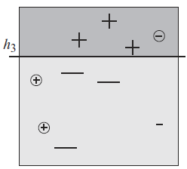
 | 0.106 | 0.106 | 0.106 | 0.045 | 0.045 | 0.167 | 0.167 | 0.045 | 0.167 | 0.045 | T=3 | e= | 0.1364
h | 1 | 1 | 1 | 1 | -1 | -1 | -1 | -1 | -1 | -1
e(-α*y*h(xi)) | 0.397 | 0.397 | 0.397 | 2.517 | 2.517 | 0.397 | 0.397 | 2.517 | 0.397 | 0.397 |  | alfa= | 0.92
Di e(-α*y*h(xi)) | 0.042 | 0.042 | 0.042 | 0.114 | 0.114 | 0.066 | 0.066 | 0.114 | 0.066 | 0.018 |  | Z= | 0.69

 | 1.1489059071 | 1.1489059071 | 1.1489059071 | -0.15037707701 | 0.15037707701 | -0.69692078338 | -0.69692078338 | 0.15037707701 | -0.69692078338 | -1.9962037675
 | 1 | 1 | 1 | -1 | 1 | -1 | -1 | 1 | -1 | -1
 |  |  |  | ,

